TBS 19
 | TROPHEE BAILLI DE SUFFREN 2019 |  |  |  |  | SAINT-TROPEZ / MINORQUE |  |  |  |  |  |  |  |  |  |  | TROPHEE DU BAILLI DE SUFFREN 2019

Rgs | Ident | Concurrents | Skipper | Place au général | Participants | Cat. | Course 1 place points |  | Course 2 place points |  | Course 3 place points |  | Total événement |  |  |  | Pl. Gén. | Ident | Concurrents | Nom | cat | Points | C.1 | C.2 | C.3
1 | FRA 2722 | STIREN | NATAF Oren | 1 | 8 | CL | 2 | 93.5 | 2 | 93.5 | 2 | 93.5 | 280.6 |  |  |  | 1 | FRA 2722 | STIREN | NATAF Oren | CL | 4.8 | 2 | 2 | 2
2 | K 3 | IKRA | MORAULT YVES MARIE | 2 | 8 | CL | 3 | 79.3 | 1 | 109.0 | 4 | 65.5 | 253.8 |  |  |  | 2 | K 3 | IKRA | MORAULT YVES MARIE | CL | 6.8 | 3 | 1 | 4
3 | F4277 | RATAFIA | OLLIVIER Carl | 3 | 8 | CL | 5 | 52.0 | 3 | 79.3 | 1 | 109.0 | 240.3 |  |  |  | 3 | F4277 | RATAFIA | OLLIVIER Carl | CL | 7.8 | 5 | 3 | 1
4 | F255 | NORYEMA 4 | VAZEUX Patrice | 4 | 8 | CL | 4 | 65.5 | 4 | 65.5 | 3 | 79.3 | 210.3 |  |  |  | 4 | F255 | NORYEMA 4 | VAZEUX Patrice | CL | 9.8 | 4 | 4 | 3
5 | F 811 | IRINA VII | BETEILLE PHILIPPE | 5 | 8 | CL | 1 | 109.0 | 5 | 52.0 | DNF | 12.5 | 173.6 |  |  |  | 5 | F 811 | IRINA VII | BETEILLE PHILIPPE | CL | 15 | 1 | 5 | DNF
6 | 4496 | EUGENIA V | GRENIER Baptiste | 6 | 8 | CL | 6 | 38.7 | 6 | 38.7 | DNF | 12.5 | 90.0 |  |  |  | 6 | 4496 | EUGENIA V | GRENIER Baptiste | CL | 21 | 6 | 6 | DNF
7 | F 5978 | BEG HIR | VITOUX Jean jacques | 7 | 8 | CL | 8 | 12.5 | 7 | 25.6 | DNF | 12.5 | 50.6 |  |  |  | 7 | F 5978 | BEG HIR | VITOUX Jean jacques | CL | 22.8 | 8 | 7 | DNF
7 | CAG 2 | HERMITAGE | FOURNIER Jean-Luc | 7 | 8 | CL | 7 | 25.6 | 8 | 12.5 | DNF | 12.5 | 50.6 |  |  |  | 7 | CAG 2 | HERMITAGE | FOURNIER Jean-Luc | CL | 22.8 | 7 | 8 | DNF

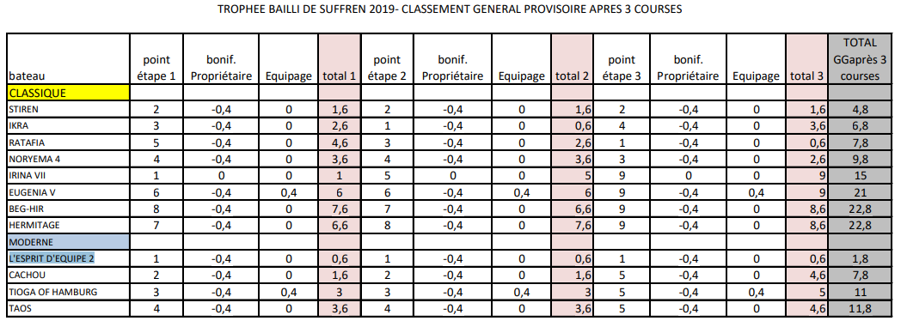

 |  |  |  |  |  |  |  |  |  |  |  |  |  | C1 | C2 | C3

1 |  |  |  |  |  |  |  |  |  |  |  |  |  | 2 | 2 | 2
2 |  |  |  |  |  |  |  |  |  |  |  |  |  | 3 | 1 | 4
3 |  |  |  |  |  |  |  |  |  |  |  |  |  | 5 | 3 | 1
4 |  |  |  |  |  |  |  |  |  |  |  |  |  | 4 | 4 | 3
5 |  |  |  |  |  |  |  |  |  |  |  |  |  | 1 | 5 | DNF
6 |  |  |  |  |  |  |  |  |  |  |  |  |  | 6 | 6 | DNF
7 |  |  |  |  |  |  |  |  |  |  |  |  |  | 8 | 7 | DNF
7 |  |  |  |  |  |  |  |  |  |  |  |  |  | 7 | 8 | DNF

 |  |  |  |  |  |  |  |  |  |  |  |  |  |  |  | DNF

